1998
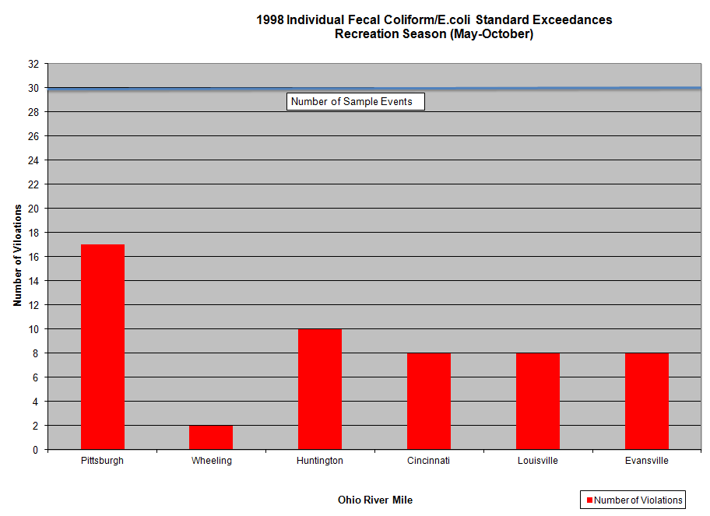
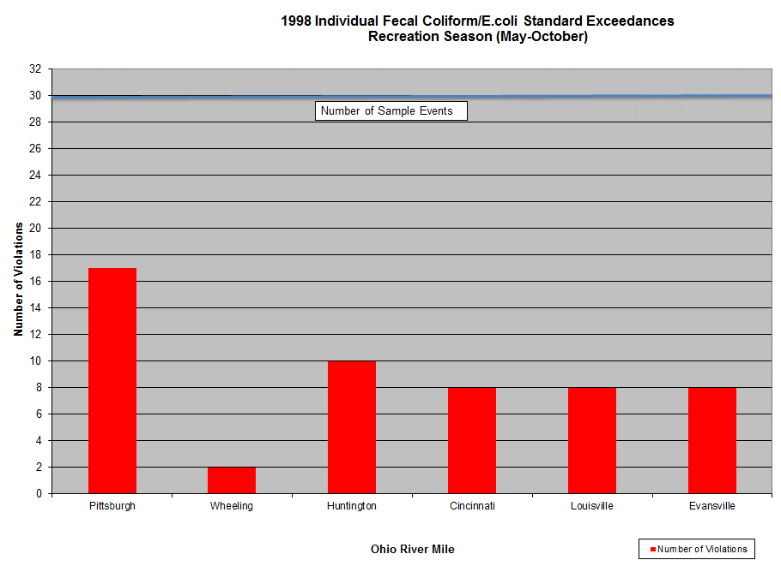

1999
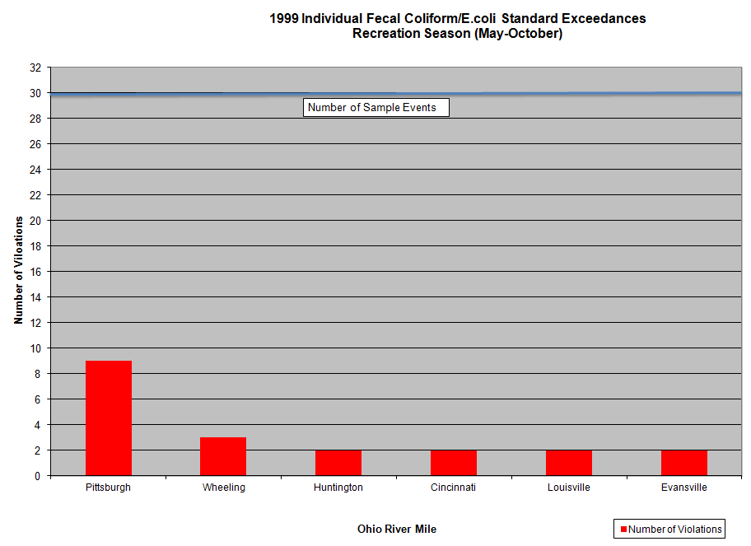

2000
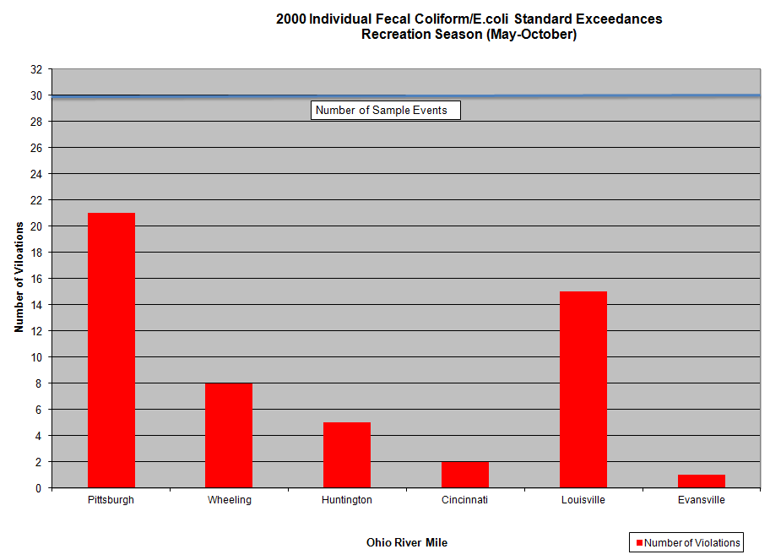

2001
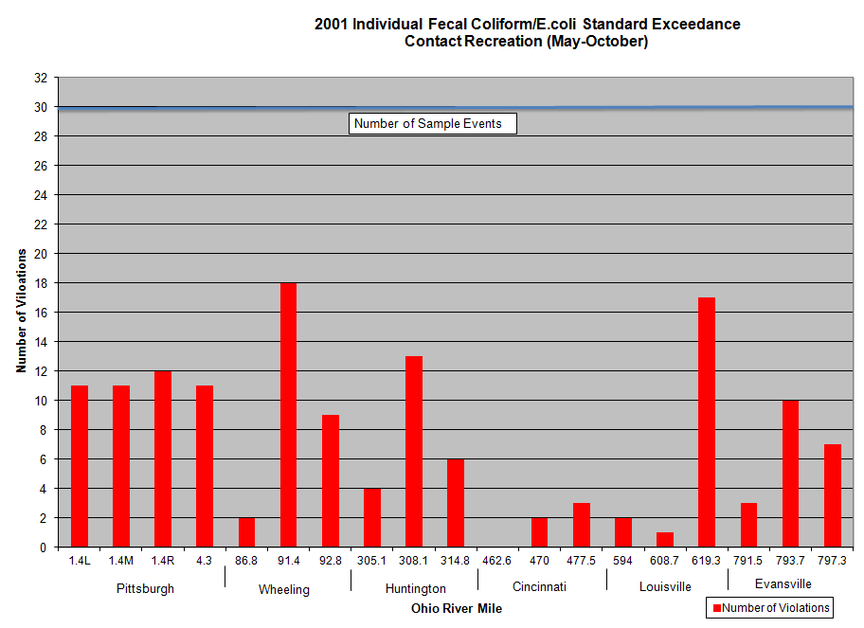

2002
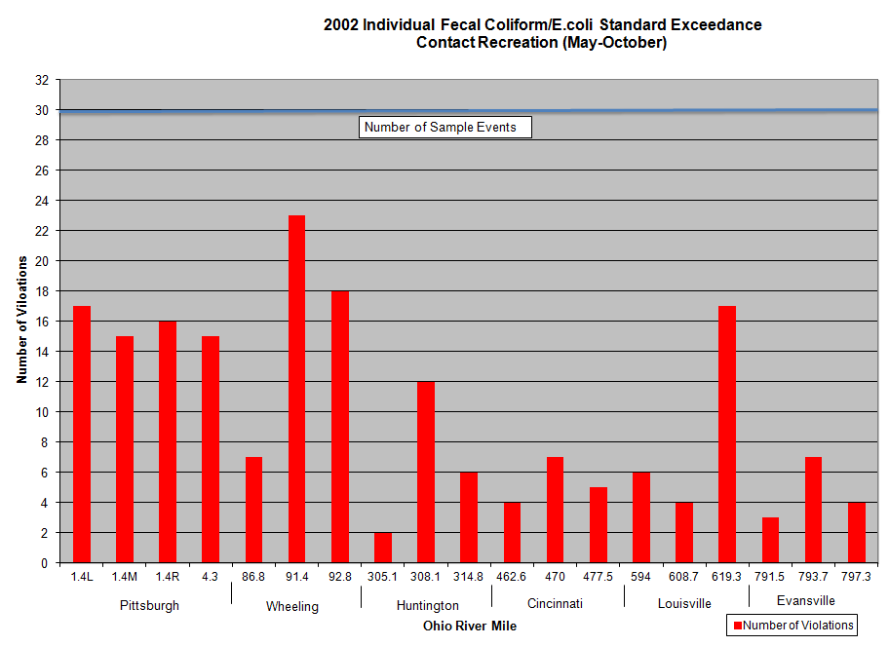

2003
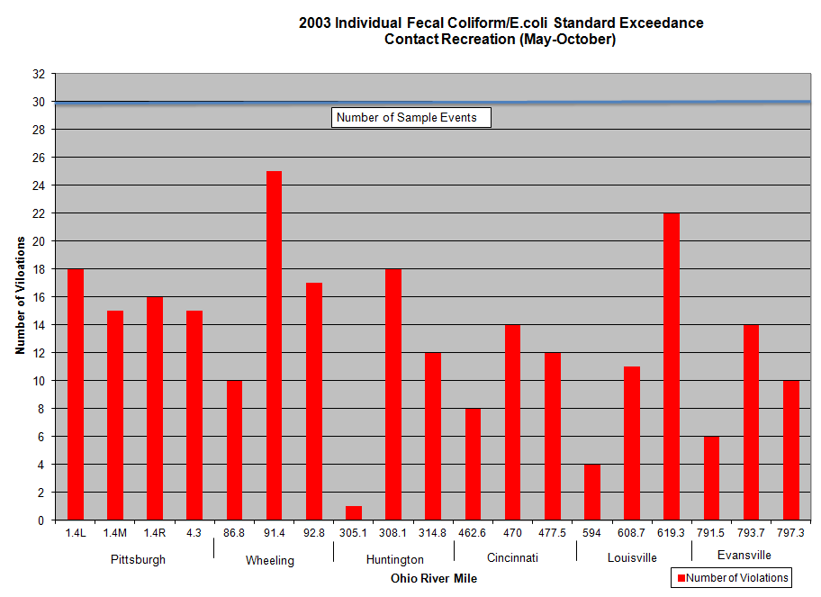
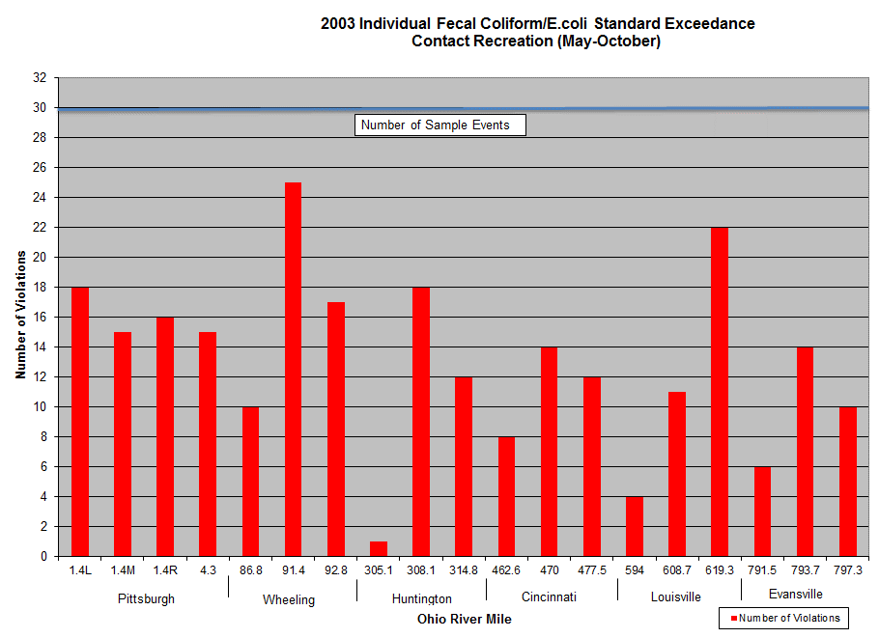

2004
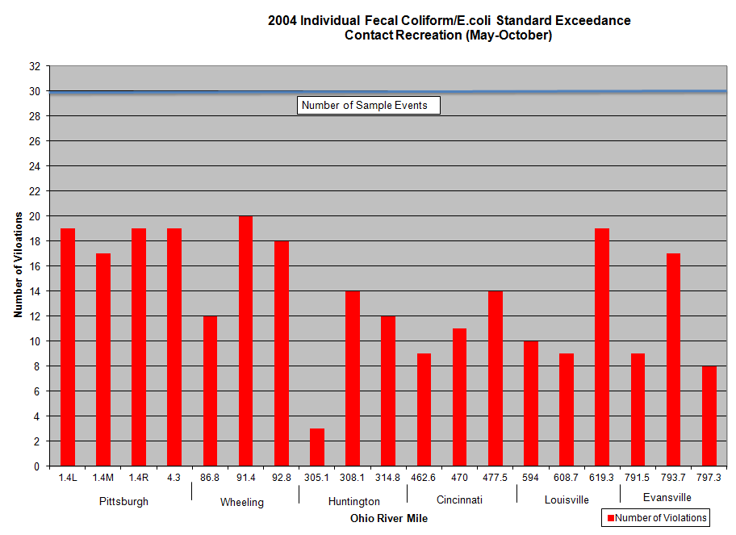

2005
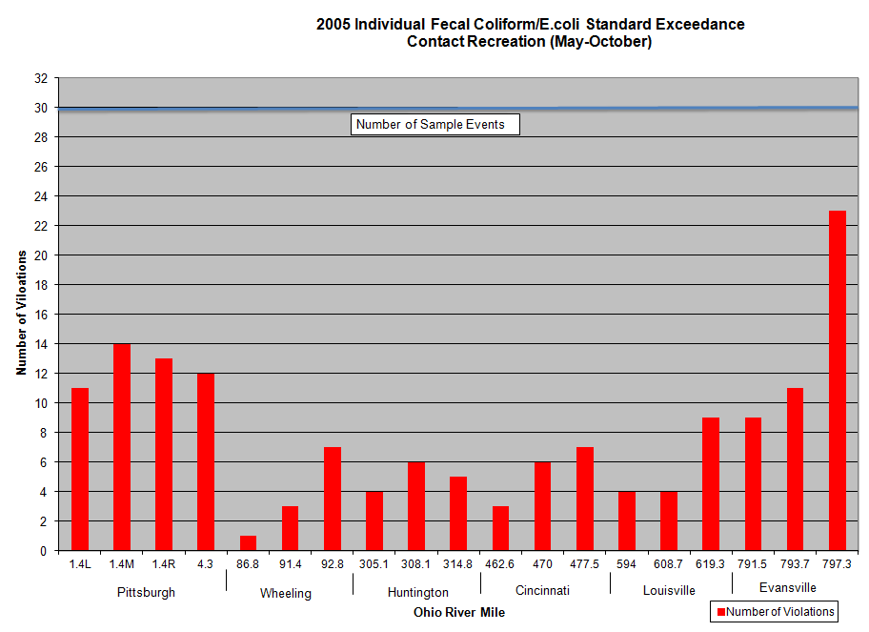
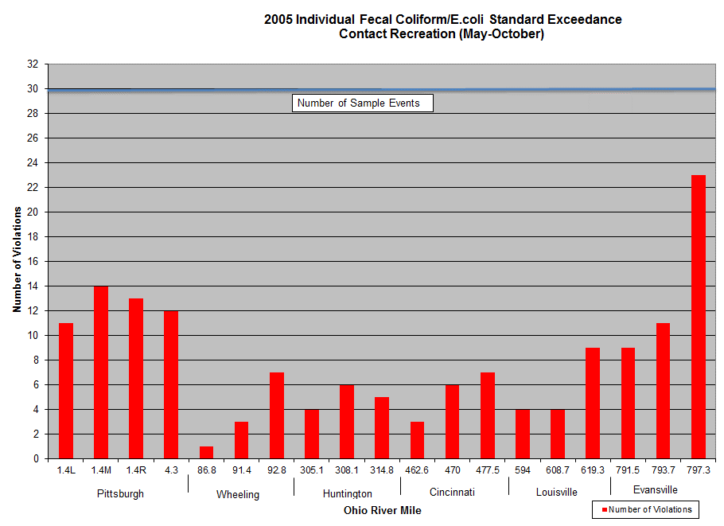

2006
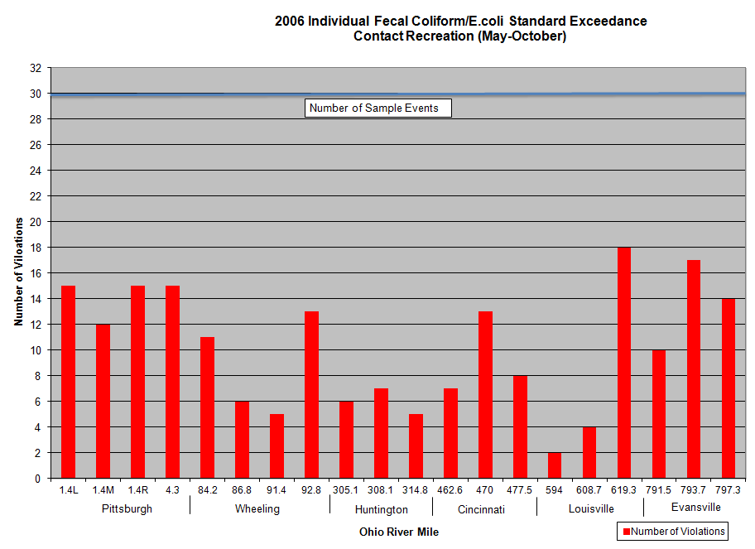

2007
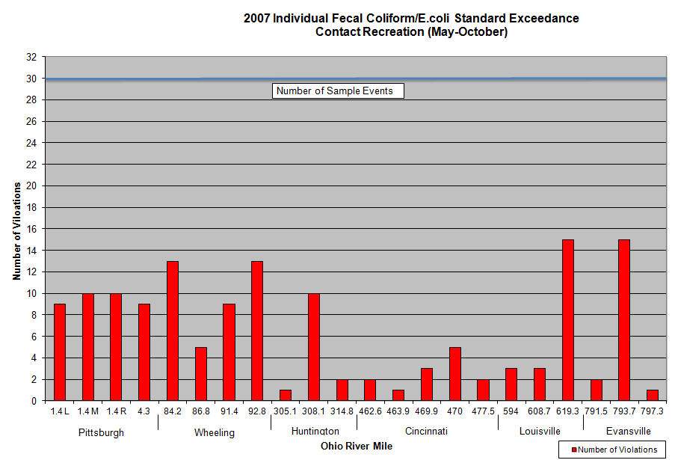
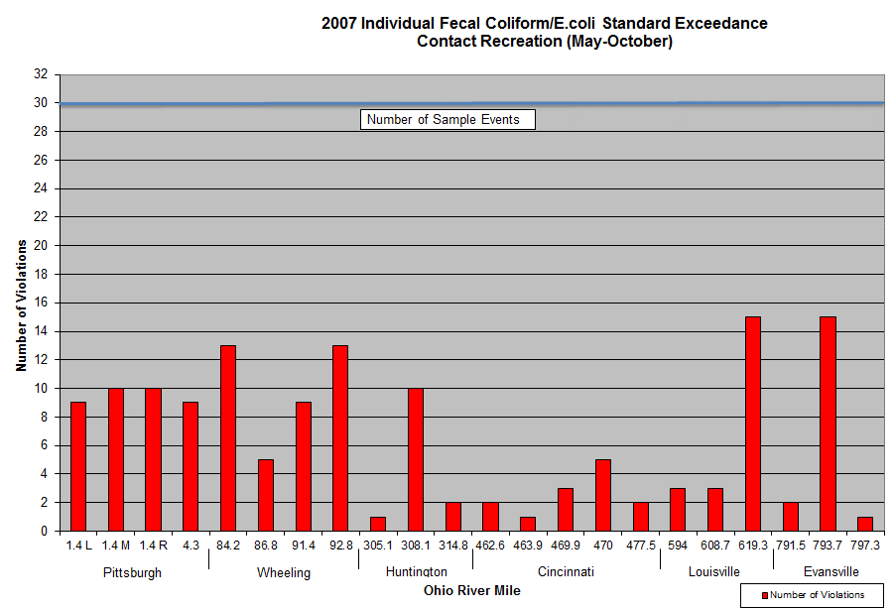

2008
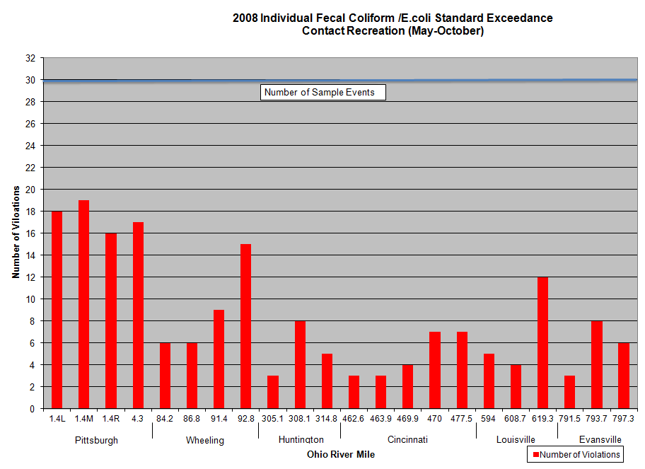
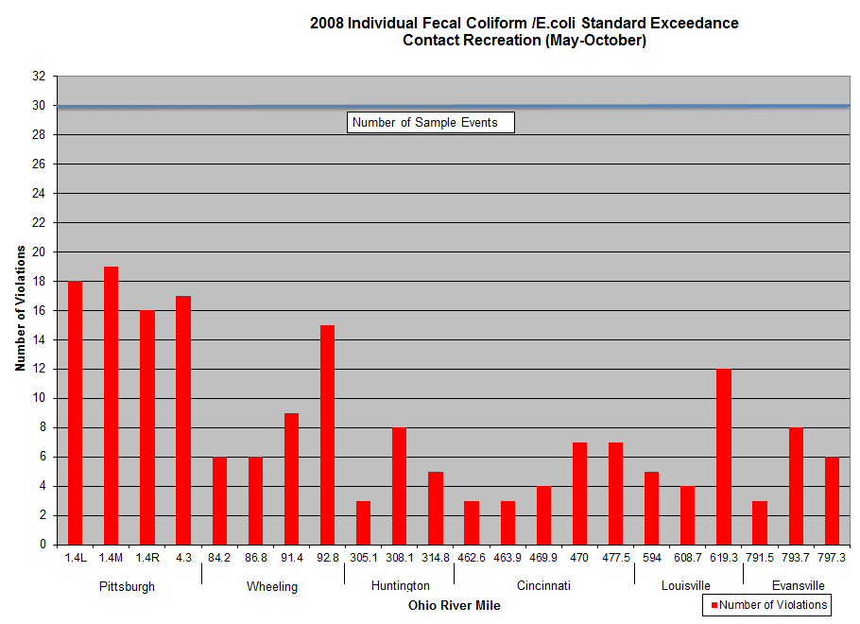

2009
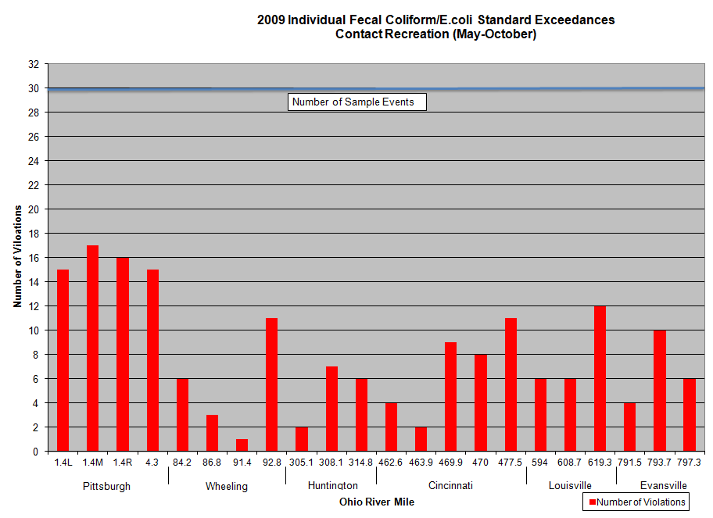
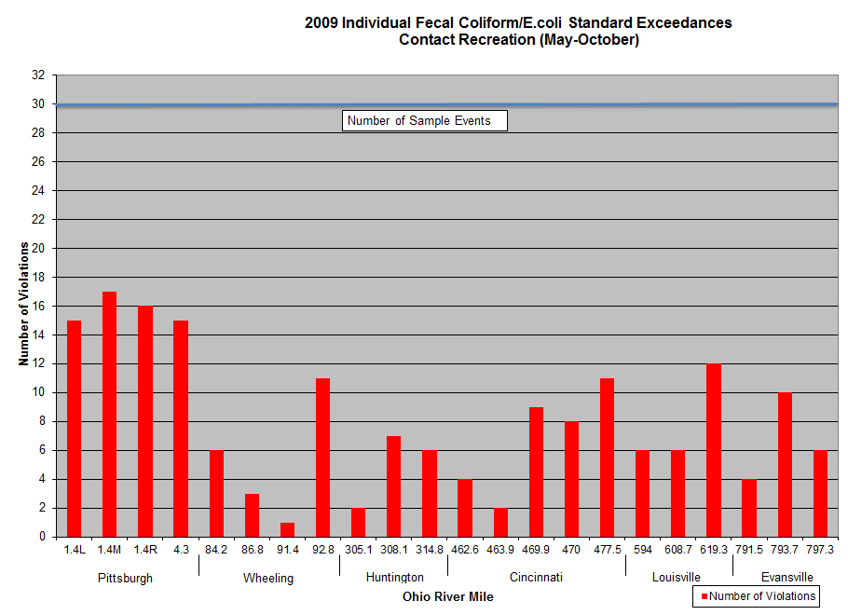

2010
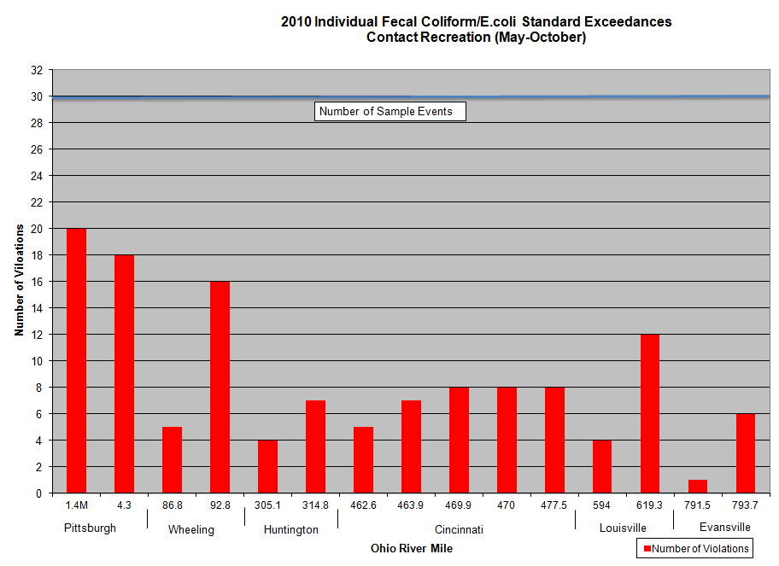
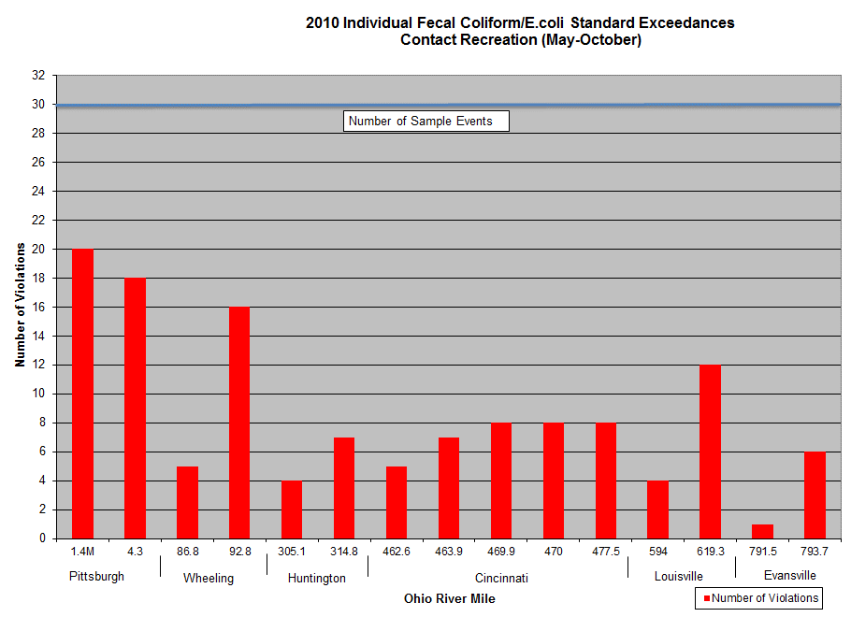

2011
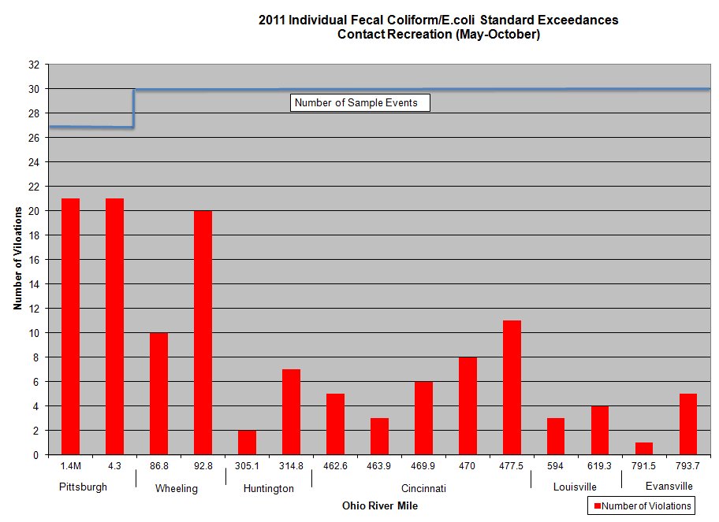
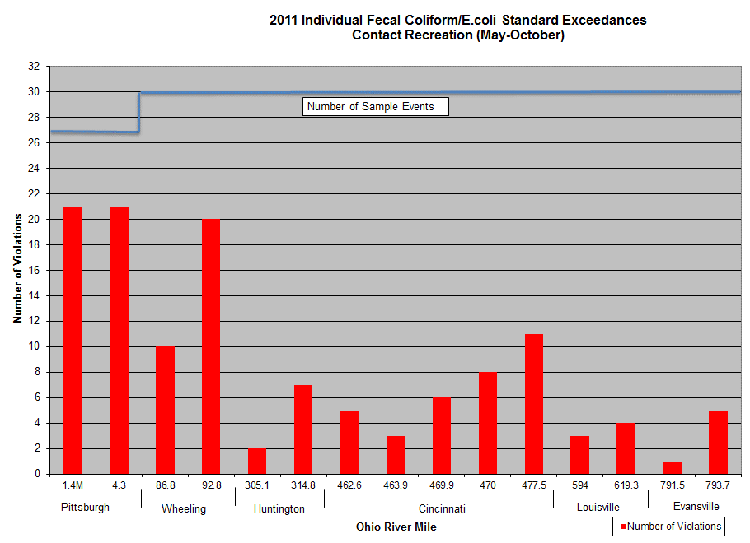

2012
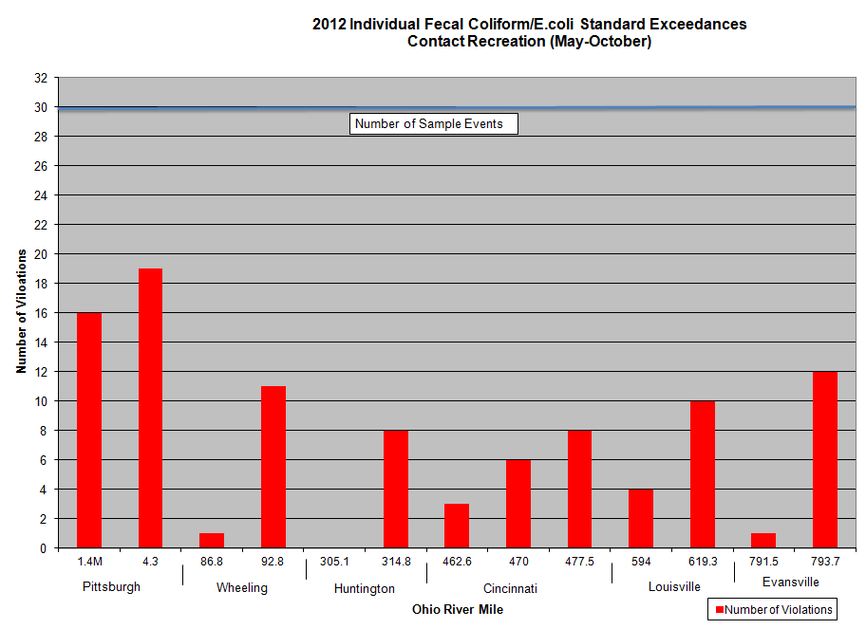
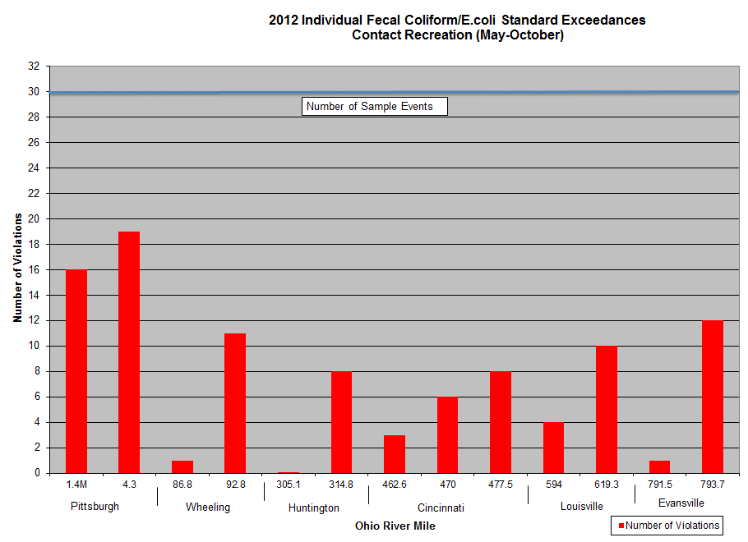

2013
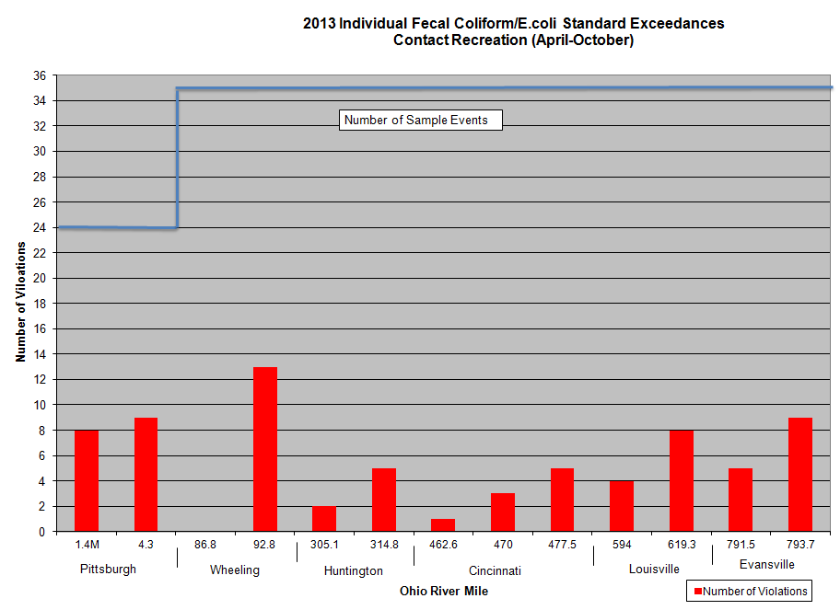
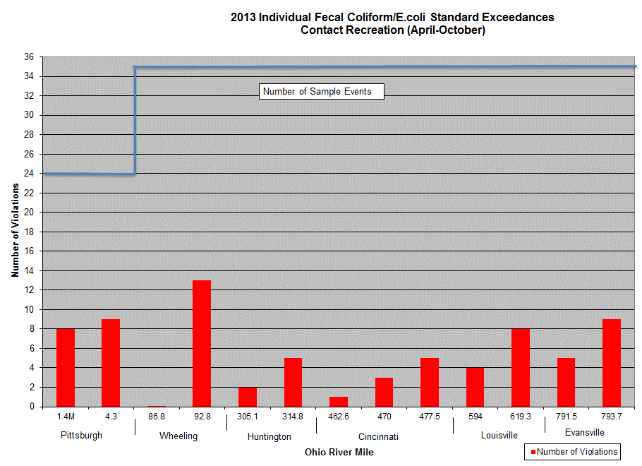

2014
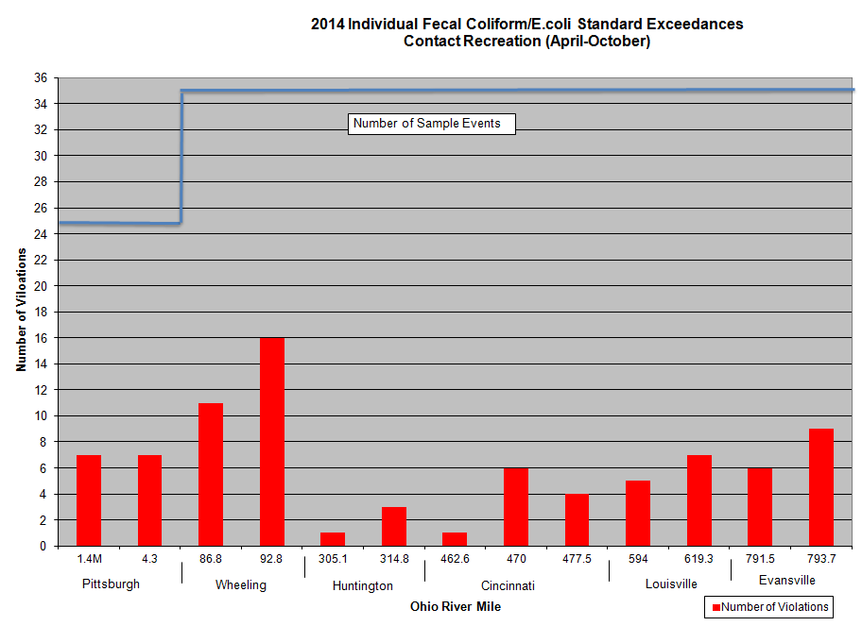
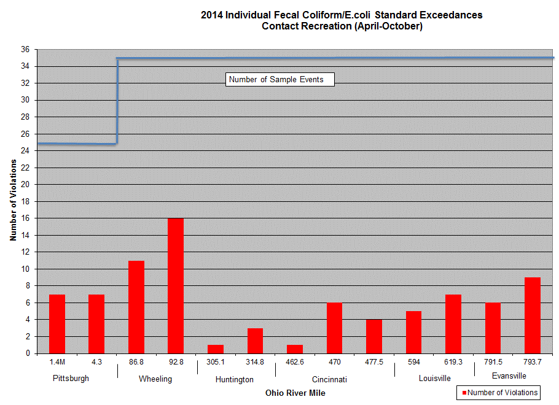

2015
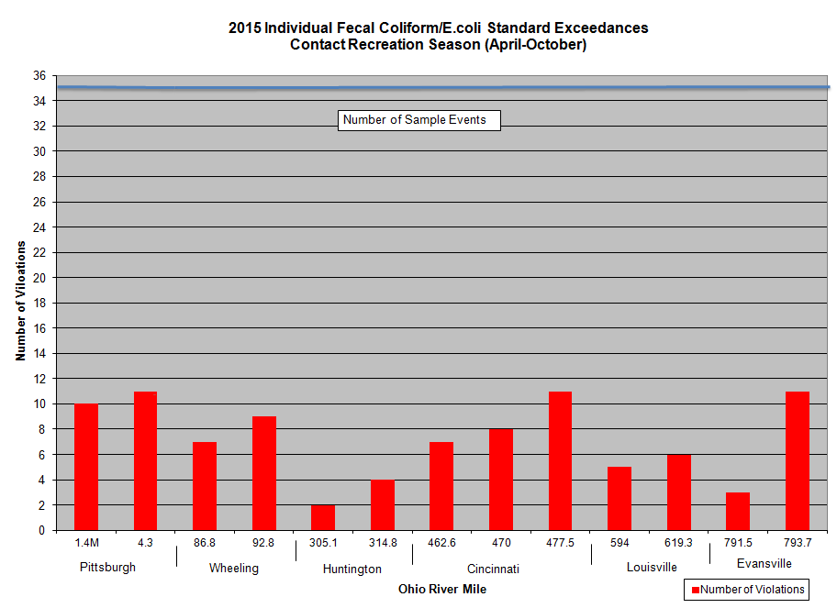
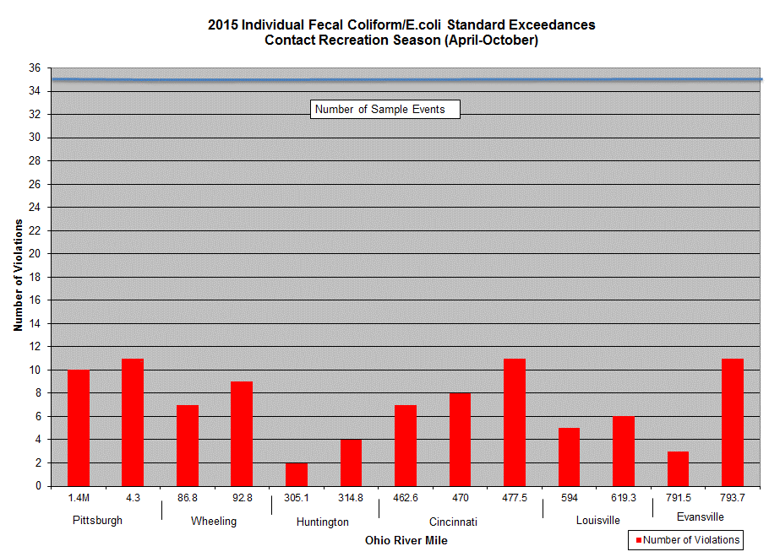

2016
 | Number of Violations
1.4M | 13
4.3 | 14
86.8 | 4
92.8 | 9
305.1 | 5
314.8 | 9
462.6 | 6
470 | 9
477.5 | 9
594 | 5
619.3 | 15
791.5 | 5
793.7 | 10

2017
 | Number of Violations
1.4M | 13
4.3 | 14
86.8 | 4
92.8 | 9
305.1 | 5
314.8 | 9
462.6 | 6
470 | 9
477.5 | 9
594 | 5
619.3 | 15
791.5 | 5
793.7 | 10

2018
 | Number of Violations
1.4M | 11
4.3 | 12
86.8 | 10
92.8 | 13
305.1 | 13
314.8 | 18
462.6 | 8
470 | 17
477.5 | 15
594 | 17
619.3 | 13
791.5 | 13
793.7 | 14

2019
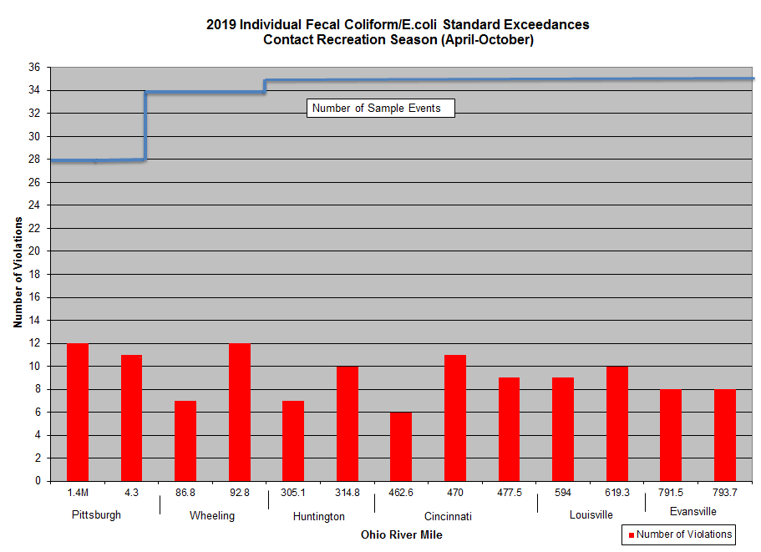

2020
 | Number of Violations
1.4M | 0
4.3 | 0
86.8 | 0.25
92.8 | 6
305.1 | 7
314.8 | 14
462.6 | 5
470 | 8
477.5 | 10
594 | 3
619.3 | 5
791.5 | 5
793.7 | 8

2021
 | Number of Violations
1.4M | 4
4.3 | 4
86.8 | 1
92.8 | 11
305.1 | 1
314.8 | 9
462.6 | 2
470 | 7
477.5 | 7
594 | 4
619.3 | 9
791.5 | 3
793.7 | 8

2022
 | Number of Violations
1.4M | 7
4.3 | 7
86.8 | 3
92.8 | 12
305.1 | 3
314.8 | 13
462.6 | 4
470L | 13
470R | 9
477.5L | 9
477.5M | 9
477.5R | 11
594 | 6
619.3 | 10
791.5 | 1
793.7 | 8

2023
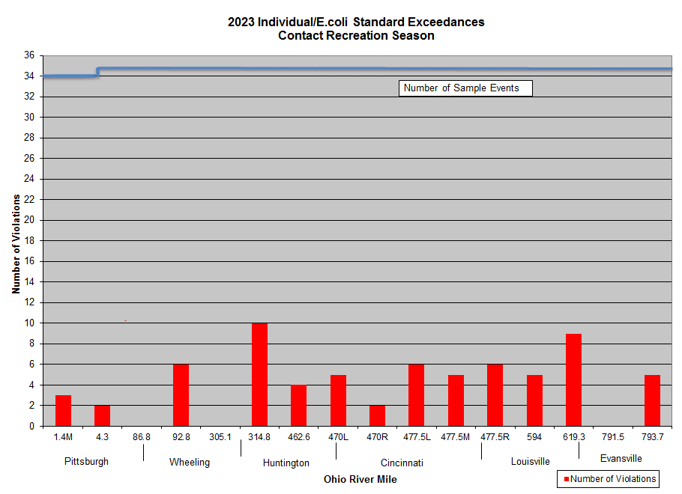

Wheeling-86.8 and Evansville-791.5 had no violations

2024
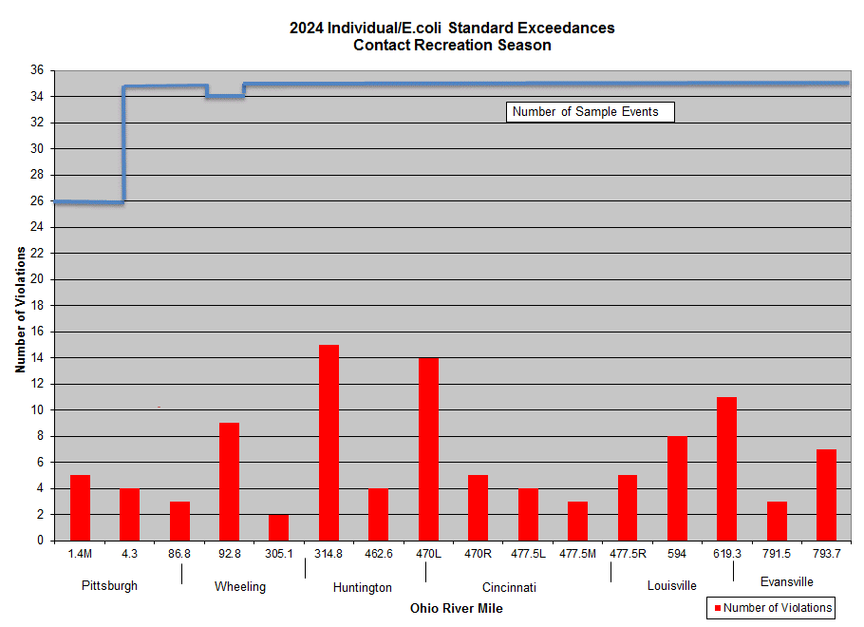

2025
